Source

 | Selected figures and data from the OECD Economic Outlook presentation, June 2026
 | Under pressure

Title | Under pressure
Citation | OECD (2026), OECD Economic Outlook, June 2026, OECD Publishing.
Link to presentation
Date | 3-Jun-26
Contact | eco.contact@oecd.org

GDP G20
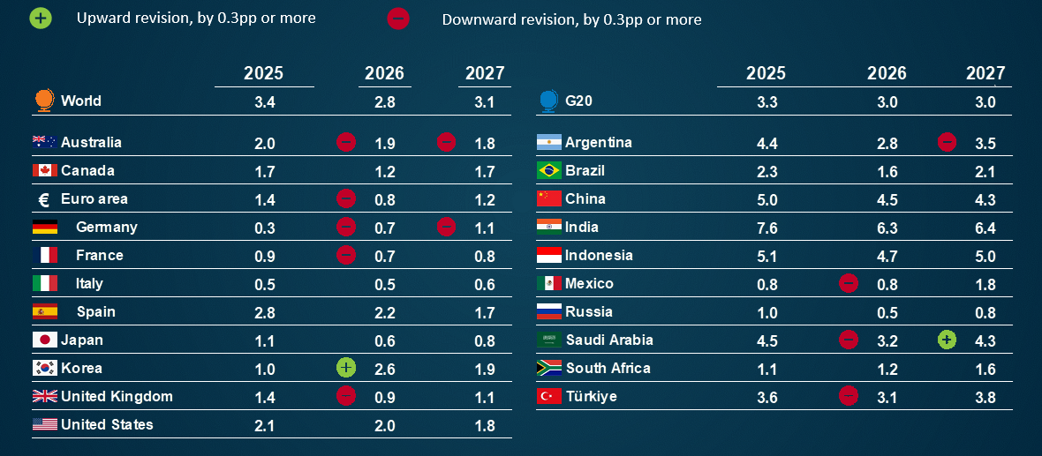
Real GDP growth, year-on-year, %
Time-limited disruption scenario
Note: Revisions relative to the estimates from the December 2025 Economic Outlook. India projections are based on fiscal years, starting in April. World and G20 aggregates use moving nominal GDP weights at purchasing power parities.
Source: OECD Economic Outlook 119 databases; OECD Economic Outlook 118 database; and OECD calculations.

nonG20 GDP
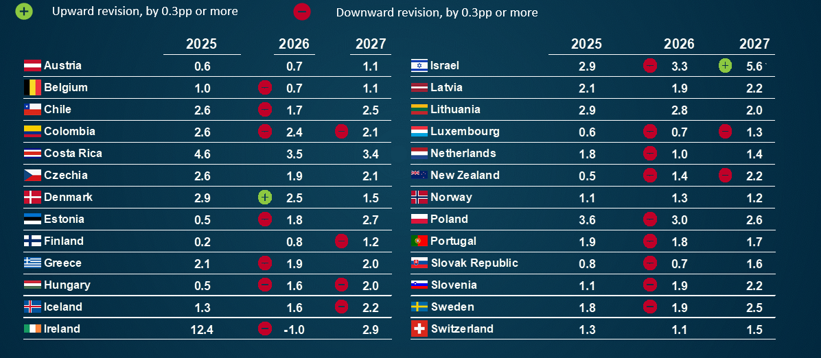
Real GDP growth, year-on-year, %
Time-limited disruption scenario
Note: Revisions relative to the estimates from the December 2025 Economic Outlook.
Source: OECD Economic Outlook 119 database; OECD Economic Outlook 118 database; and OECD calculations.

Regions shock
Real GDP growth |  |  |  | Consumer price inflation
% pts |  |  |  | % pts
Note: Simulations are based on the forward-looking NiGEM global macroeconomic model. The prolonged disruption scenario assumes oil, gas and fertiliser prices rise by 50% relative to the smooth disruption scenario till Q3 2027, followed by a gradual decline as supplies recover. The scenario also assumes lower technical efficiency due to energy rationing and supply-chain disruptions, higher household saving and tighter financial conditions, including a 15% decline in equity prices, higher investment risk premia (75-100 basis points) and a 50 basis point increase in long-term government bond term premia.
Source: OECD calculations using the NiGEM macroeconomic model.

CALCULATED
Growth |  | OECD | Non-OECD | Southeast Asia | OECD Asia-Pacific | World
 | 2026 | -0.61 | -0.82 | -0.85 | -0.83 | -0.73
 | 2027 | -1.22 | -1.33 | -1.51 | -1.46 | -1.29

Inflation
 |  | OECD | Non-OECD | Southeast Asia | OECD Asia-Pacific | World
 | 2026 | 0.37 | 0.43 | 0.45 | 0.59 | 0.40
 | 2027 | 1.08 | 1.56 | 1.80 | 1.58 | 1.35

Fertilisers
Agricultural reliance on Persian Gulf imports for nitrogen fertilisers
Net fertiliser imports as a ratio to agricultural use
Note: The figure shows the quantity of imported nitrogen-based fertilisers as a share of the total quantity of nitrogen-based fertilisers applied for use agriculturally. Net imports equal to one mean the country relies on imports to meet its fertiliser needs. A figure of less than one suggests domestic production is used to meet fertiliser needs, with numbers close to zero suggesting imports are not very important; a number less than zero (not shown) exists for countries which are net exporters, (e.g. China, Russia and Saudi Arabia). These re-exports account for the difference between net and total imports and are not shown. Persian Gulf countries are Bahrain, Iran, Iraq, Kuwait, Oman, Qatar, Saudi Arabia and United Arab Emirates. Shares of imports from the Persian Gulf are based on the FAO trade matrix database; agricultural use and gross and net imports are based on the FAO nutrient database.
Source: Food and Agriculture Organisation (FAO) Agricultural database; and OECD calculations.
 | Share of Persian gulf in total imports | Share of fertilisers from the Persian Gulf in total fertiliser gross imports (%) | Share of net fertiliser imports in agricultural use (%)
SDN | 0.80858422286 | 80.858422286 | 99.999975099
BGD | 0.77195374385 | 77.195374385 | 21.576231667
CAF | 0.74916955169 | 74.916955169 | 100.27848101
ZAF | 0.72876170024 | 72.876170024 | 99.99991917
NAM | 0.67902896127 | 67.902896127 | 100.0020241
MOZ | 0.6750147267 | 67.50147267 | 99.999752265
KWT | 0.56188119699 | 56.188119699 | 99.995463918
MWI | 0.56097190023 | 56.097190023 | 45.08059842
IRQ | 0.55915657765 | 55.915657765 | 41.371875166
MUS | 0.53500092906 | 53.500092906 | 48.597475456
AGO | 0.48398188522 | 48.398188522 | 100.00132392
UGA | 0.42443019265 | 42.443019265 | 100.00325761
ZMB | 0.39639182608 | 39.639182608 | 100.0001982
TUR | 0.3909242014 | 39.09242014 | 80.225557121
KEN | 0.35317792141 | 35.317792141 | 100.00024607
SYC | 0.35271084337 | 35.271084337 | 101.15
NPL | 0.34810908726 | 34.810908726 | 84.351664562
IND | 0.33774437164 | 33.774437164 | 28.405410385
AFG | 0.32299225829 | 32.299225829 | 59.644934636
YEM | 0.30310855527 | 30.310855527 | 99.998940998
MMR | 0.29527809612 | 29.527809612 | 100.00007993
BRA | 0.28440169278 | 28.440169278 | 96.002710446
RWA | 0.28353281392 | 28.353281392 | 99.99900774
PAK | 0.2817954084 | 28.17954084 | 4.1976604026
TZA | 0.25722043076 | 25.722043076 | 99.999808697
URY | 0.25506819197 | 25.506819197 | 100.00013872
USA | 0.24857638525 | 24.857638525 | 15.767895721
ERI | 0.21671751948 | 21.671751948 | 100.02089783
SLE | 0.20683626061 | 20.683626061 | 100.01856336
ETH | 0.11582135142 | 11.582135142 | 99.999981727
 | Share of net fertiliser imports in agricultural use (%) | Share of fertilisers from the Persian Gulf in total fertiliser gross imports (%)
SDN | 99.999975099 | 80.858422286
BGD | 21.576231667 | 77.195374385
CAF | 100.27848101 | 74.916955169
ZAF | 99.99991917 | 72.876170024
NAM | 100.0020241 | 67.902896127
MOZ | 99.999752265 | 67.50147267
KWT | 99.995463918 | 56.188119699
MWI | 45.08059842 | 56.097190023
IRQ | 41.371875166 | 55.915657765
MUS | 48.597475456 | 53.500092906
AGO | 100.00132392 | 48.398188522
UGA | 100.00325761 | 42.443019265
ZMB | 100.0001982 | 39.639182608
TUR | 80.225557121 | 39.09242014
KEN | 100.00024607 | 35.317792141
SYC | 101.15 | 35.271084337
NPL | 84.351664562 | 34.810908726
IND | 28.405410385 | 33.774437164
AFG | 59.644934636 | 32.299225829
 | Share of Persian gulf in total imports | Share of fertilisers from the Persian Gulf in total fertiliser gross imports (%) | Share of net fertiliser imports in agricultural use (%)
SDN | 0.80858422286 | 80.858422286 | 99.999975099
BGD | 0.77195374385 | 77.195374385 | 21.576231667
CAF | 0.74916955169 | 74.916955169 | 100.27848101
ZAF | 0.72876170024 | 72.876170024 | 99.99991917
NAM | 0.67902896127 | 67.902896127 | 100.0020241
MOZ | 0.6750147267 | 67.50147267 | 99.999752265
KWT | 0.56188119699 | 56.188119699 | 99.995463918
MWI | 0.56097190023 | 56.097190023 | 45.08059842
IRQ | 0.55915657765 | 55.915657765 | 41.371875166
MUS | 0.53500092906 | 53.500092906 | 48.597475456
AGO | 0.48398188522 | 48.398188522 | 100.00132392
UGA | 0.42443019265 | 42.443019265 | 100.00325761
ZMB | 0.39639182608 | 39.639182608 | 100.0001982
TUR | 0.3909242014 | 39.09242014 | 80.225557121
KEN | 0.35317792141 | 35.317792141 | 100.00024607
SYC | 0.35271084337 | 35.271084337 | 101.15
NPL | 0.34810908726 | 34.810908726 | 84.351664562
IND | 0.33774437164 | 33.774437164 | 28.405410385
AFG | 0.32299225829 | 32.299225829 | 59.644934636
YEM | 0.30310855527 | 30.310855527 | 99.998940998
MMR | 0.29527809612 | 29.527809612 | 100.00007993
BRA | 0.28440169278 | 28.440169278 | 96.002710446
RWA | 0.28353281392 | 28.353281392 | 99.99900774
PAK | 0.2817954084 | 28.17954084 | 4.1976604026
TZA | 0.25722043076 | 25.722043076 | 99.999808697
URY | 0.25506819197 | 25.506819197 | 100.00013872
USA | 0.24857638525 | 24.857638525 | 15.767895721
ERI | 0.21671751948 | 21.671751948 | 100.02089783
SLE | 0.20683626061 | 20.683626061 | 100.01856336
ETH | 0.11582135142 | 11.582135142 | 99.999981727
YEM | 99.998940998 | 30.310855527
MMR | 100.00007993 | 29.527809612
BRA | 96.002710446 | 28.440169278
RWA | 99.99900774 | 28.353281392
PAK | 4.1976604026 | 28.17954084
TZA | 99.999808697 | 25.722043076
URY | 100.00013872 | 25.506819197
USA | 15.767895721 | 24.857638525

ERI | 100.02089783 | 21.671751948
SLE | 100.01856336 | 20.683626061
ETH | 99.999981727 | 11.582135142

Change in eff tariffs
Title: |  | Figure 1.10. US import tariffs on most countries have fallen this year

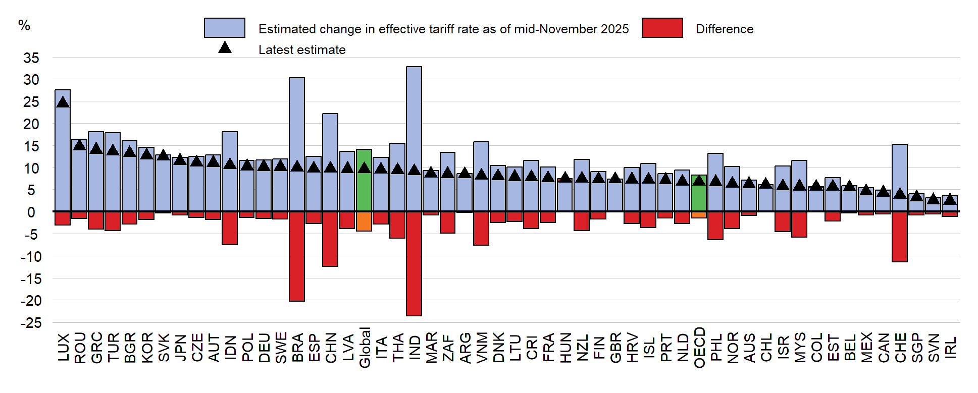

Left Y Axis: |  | %
 |  | December 2024 to mid-November 2025 | December 2024 to mid-November 2025 | December 2024 to April 2026
Luxembourg | LUX | -3.0939647207 | 27.584002656 | 24.490037935
Romania | ROU | -1.6347512923 | 16.34882355 | 14.714072258
Greece | GRC | -4.0190635027 | 18.018776801 | 13.999713299
Türkiye | TUR | -4.3113666284 | 17.866761597 | 13.555394969
Bulgaria | BGR | -2.8773068434 | 16.106431658 | 13.229124814
Korea | KOR | -1.8646302941 | 14.572164701 | 12.707534407
Slovak Republic | SVK | -0.36690373077 | 12.858615183 | 12.491711453
Japan | JPN | -0.77992603499 | 12.27067921 | 11.490753175
Czechia | CZE | -1.3920875842 | 12.443684933 | 11.051597349
Austria | AUT | -1.7549355237 | 12.785944508 | 11.031008984
Indonesia | IDN | -7.5098591998 | 18.02773516 | 10.51787596
Poland | POL | -1.2961556479 | 11.534738373 | 10.238582725
Germany | DEU | -1.5695491566 | 11.695747476 | 10.126198319
Sweden | SWE | -1.7254567505 | 11.843390676 | 10.117933925
Brazil | BRA | -20.251349494 | 30.220458718 | 9.969109224
Spain | ESP | -2.6752908219 | 12.423644767 | 9.7483539452
China | CHN | -12.423992305 | 22.114182159 | 9.6901898537
Latvia | LVA | -3.8822587295 | 13.549718308 | 9.6674595781
Global | WDL | -4.432053685 | 14.048933622 | 9.6168799367
Italy | ITA | -2.8366594631 | 12.279680993 | 9.4430215298
Thailand | THA | -6.0785218516 | 15.44649643 | 9.3679745779
India | IND | -23.603424938 | 32.742755042 | 9.1393301032
Morocco | MAR | -0.7449976251 | 9.2981111491 | 8.553113524
South Africa | ZAF | -4.8716683962 | 13.382827188 | 8.5111587916
Argentina | ARG | -0.1584415959 | 8.5790673187 | 8.4206257228
Viet Nam | VNM | -7.6321163692 | 15.759444583 | 8.127328214
Denmark | DNK | -2.453819186 | 10.437590819 | 7.9837716331
Lithuania | LTU | -2.2878606844 | 10.116348814 | 7.8284881296
Costa Rica | CRI | -3.8163171935 | 11.588556272 | 7.7722390784
France | FRA | -2.496496251 | 10.089459034 | 7.5929627827
Hungary | HUN | 0.67085013501 | 6.7716153049 | 7.4424654399
New Zealand | NZL | -4.2898855117 | 11.722473337 | 7.4325878258
Finland | FIN | -1.6405882685 | 8.9873036155 | 7.346715347
United Kingdom | GBR | -0.029773216585 | 7.3320609486 | 7.3022877321
Croatia | HRV | -2.7245849225 | 9.9921825049 | 7.2675975823
Iceland | ISL | -3.6542720458 | 10.849114863 | 7.1948428167
Portugal | PRT | -1.474419784 | 8.6159127244 | 7.1414929405
Netherlands | NLD | -2.6659815377 | 9.4144639453 | 6.7484824076
Total OECD | OECD | -1.4942474076 | 8.2332665529 | 6.7390191454
Philippines | PHL | -6.428188059 | 13.114002517 | 6.6858144575
Norway | NOR | -3.9045850562 | 10.172098305 | 6.2675132486
Australia | AUS | -0.90028845409 | 7.1432080149 | 6.2429195608
Chile | CHL | 0.01429322472 | 6.0428659072 | 6.0571591319
Israel | ISR | -4.5534622822 | 10.243526123 | 5.690063841
Malaysia | MYS | -5.8297581643 | 11.500518817 | 5.670760653
Colombia | COL | 0.15085431387 | 5.456199784 | 5.6070540979
Estonia | EST | -2.097500514 | 7.694830806 | 5.597330292
Belgium | BEL | -0.34483550396 | 5.8793055087 | 5.5344700047
Mexico | MEX | -0.83279591066 | 5.3963368162 | 4.5635409055
Canada | CAN | -0.50587778714 | 4.7982772617 | 4.2923994746
Switzerland | CHE | -11.442893367 | 15.242261838 | 3.7993684711
Singapore | SGP | -0.76454815927 | 3.9702507168 | 3.2057025576
Slovenia | SVN | -0.50262659322 | 3.0953356815 | 2.5927090883
Ireland | IRL | -1.1409553341 | 3.6087794876 | 2.4678241535

Note: Estimated change in tariff rates based on applicable rates to products and countries at the time they became effective, weighted by country-specific product shares of United States imports in 2024. Changes relative to December 2024 tariff levels. The mid-November 2025 estimates were published in the December 2025 OECD Economic Outlook, prior to the ratification of the framework agreement between the United States and Switzerland.
Source: US Census Bureau; the White House; US Federal Register; and OECD calculations.

AI productivity
Projected per capita real income gains due to AI over the next 10 years
Percentage points, annualised
The graph shows predicted per capita real income gains due to AI over the next 10 years, in percentage points and annualised terms. Medium adoption and expanded AI capabilities assume adoption follows the same trajectory as ICT technologies, increasing 40% over 10 years, and that AI reaches higher capabilities thanks to synergies with additional software.
Source: Filippucci et al: “AI meets trade: Global linkages and the cross-country distribution of the gains from AI” (forthcoming), and OECD calculations.

 | Medium adoption and expanded capabilities
IDN | 0.09
MEX | 0.10
ZAF | 0.15
BRA | 0.26
ARG | 0.30
RUS | 0.43
TUR | 0.45
ITA | 0.55
ESP | 0.61
SAU | 0.61
AUS | 0.71
FRA | 0.75
CAN | 0.77
IND | 0.77
JPN | 0.78
CHN | 0.81
DEU | 0.83
GBR | 0.86
USA | 0.92
iso3 | Medium adoption and expanded capabilities
IDN | 0.09
MEX | 0.10
COL | 0.13
ZAF | 0.15
CRI | 0.25
BRA | 0.26
CHL | 0.29
ARG | 0.30
RUS | 0.43
TUR | 0.45
LVA | 0.47
GRC | 0.48
SVK | 0.50
LTU | 0.51
HUN | 0.53
ITA | 0.55
POL | 0.56
CZE | 0.60
ESP | 0.61
PRT | 0.61
SAU | 0.61
NZL | 0.68
AUS | 0.71
EST | 0.72
FRA | 0.75
NOR | 0.77
CAN | 0.77
IND | 0.77
JPN | 0.78
CHN | 0.81
SVN | 0.81
AUT | 0.82
DEU | 0.83
DNK | 0.85
GBR | 0.86
ISL | 0.86
FIN | 0.86
ISR | 0.87
LUX | 0.88
KOR | 0.88
NLD | 0.89
BEL | 0.91
CHE | 0.91
SWE | 0.92
USA | 0.92
IRL | 0.93

Tracker
Governments introduced relief mainly via direct price controls or tax measures
Type of measures in the Energy Measures Tracker
Count of measures
Note: The chart classifies support measures along two dimensions. First, measures are grouped by type of support: energy price relief, income support, credit and equity support, or other measures. Second, measures are classified by implementation mechanism, such as tax measures, regulated or capped prices, budgetary transfers, regulatory actions, or financial support instruments. Data covers 31 OECD countries and 15 non-OECD economies: Argentina, Brazil, Bulgaria, China, Croatia, India, Indonesia, Malaysia, Morocco, the Philippines, Romania, South Africa, Thailand, Ukraine, and Viet Nam. Data as of 18 May 2026.
Source: 2026 OECD Energy Support Tracker

 |  | Targeted | Untargeted | Total
Energy price relief | Tax measures | 12 | 45 | 57
 | Energy price reductions | 4 | 29 | 33
Non-fiscal support | Regulatory measures | 5 | 19 | 24
 | Export limits | 2 | 7 | 9
Income support | Budgetary transfer | 30 | 4 | 34
 | Bill discounts or rebates | 6 | 1 | 7
 | Tax measures | 5 | 3 | 8
 | Credit and equity support | 7 | 2 | 9

